Bug_Report_V1.0
Bug Report Template |  |  |  |  |  | Manual Testing
Project Name |  |  | Todo Application
Raised By |  |  | Seif Aldin Yasser
Assigned to |  |  | Development Team
Software Version |  |  | V 1.0
Date |  |  | 17/12/2024
Bug_ID | Test Case_ID | Summary | Steps to Reproduce | Expected result | Actual Result | Enviroment | Eviedence | Priority | Severity | Status
B_001 | TC_003 | When I enter on a 3 characters in first name and press sign up it showed this message "Should show this error "First Name is required, and it should be more than 3 characters". | 1- Enter the firstname with 3 characters. 2- Enter a correct lastname. 3- Enter a correct email format, and the email shouldn’t be registered in the database. 4- Enter a correct password. 5- Enter a correct confirm password. 6- Click on signup button. | Should signup the user correctly | Should show this error "First Name is required, and it should be more than 3 characters" | Chrome, Firefox, and Edge | 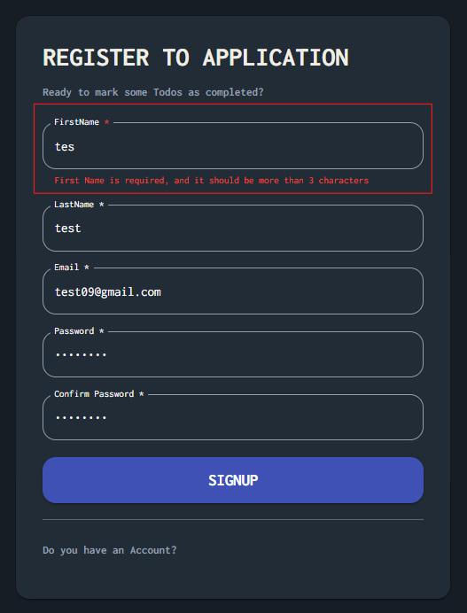 | Medium | Critical | Open

